Cognition
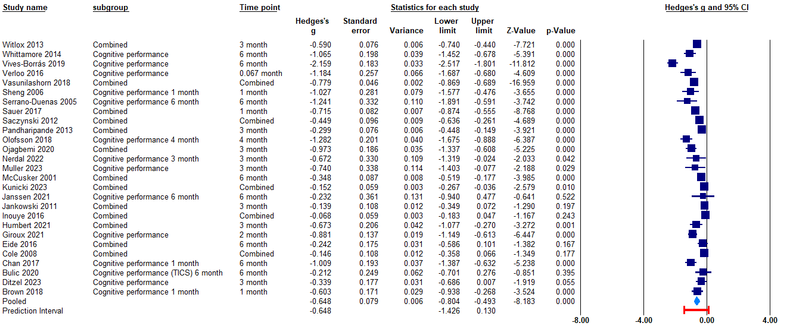
Study | Study design | Outcome | Sub-group | Time analysis
Daiello 2019 | Retrospective cohort | Cognition | Objective cognition, categorical (change) | <=6 months
Hempenius 2016 | Randomized controlled trial | Cognition | Cognition: Objective cognition, categorical (change) | <= 6months
Sánchez-Lozano 2023 | Nested case–control | Cognition | Cognition: Objective cognitive performance, continuous | <=6 months
vanRijsbergen 2011 | Nested case–control | Cognition | Objective cognitive performance, categorical | >12 months

After non-prospective studies removed
Objective cognition, categorical (change)

without non-prospective studies (time collapsed)

Time specific (<=6 months)

without non-prospective studies (time collapsed)

Objective cognitive performance, categorical

without non-prospective studies (time collapsed)

Time specific >12 months)

Objective cognitive performance, continuous

time collapsed
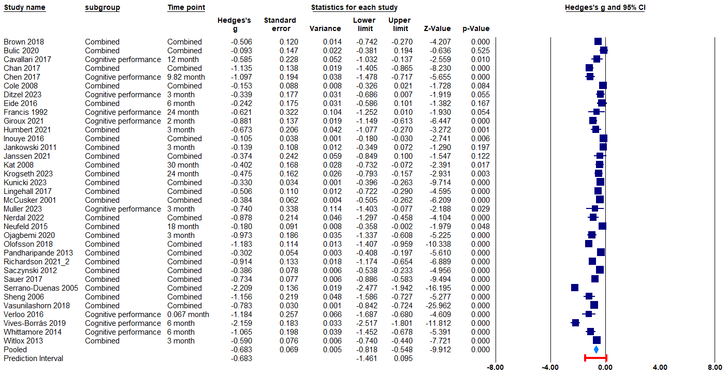

Time specific (<=6 months)

Functional outcome
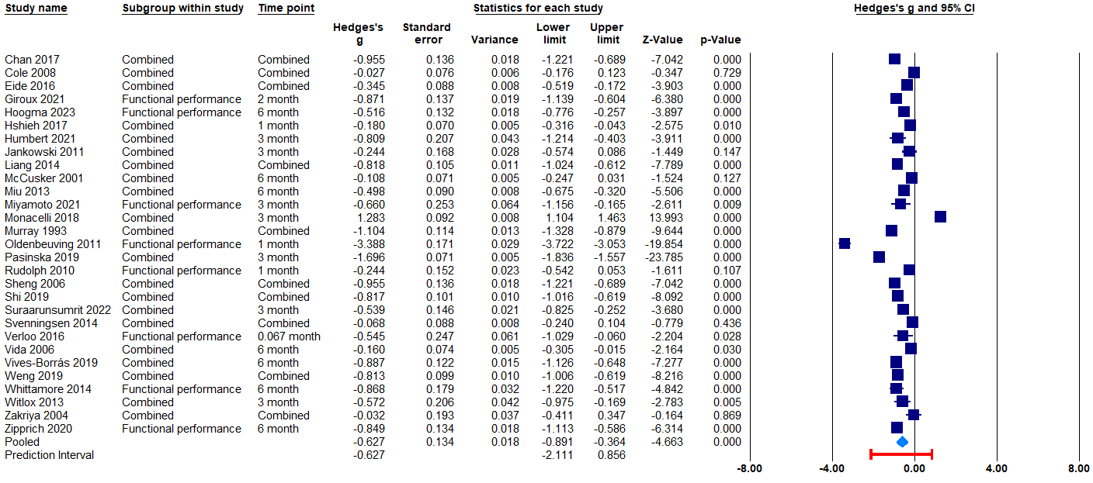
Study | Study design | Outcome | Sub-group | Time analysis
Hempenius 2016 | Randomized controlled trial | Functional outcomes | Functional outcome: functional change, categorical | <= 6months
Sánchez-Lozano 2023 | Nested case–control | Functional outcomes | Functional outcome: Functional performance, continuous | <=6 months

After non-prospective studies removed

Functional change, categorical

Time collapsed
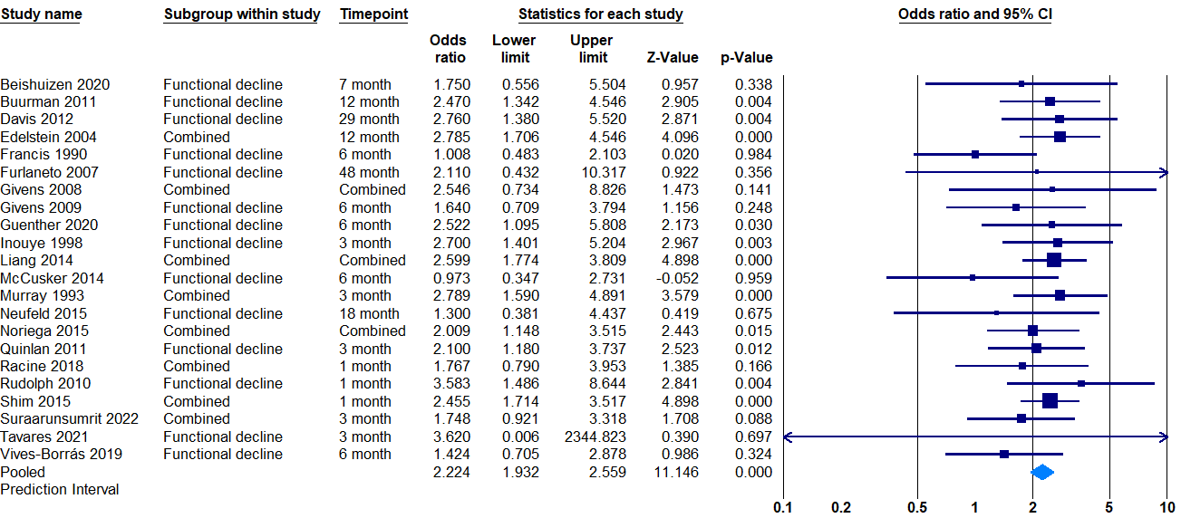

Time specific (<=6 months)
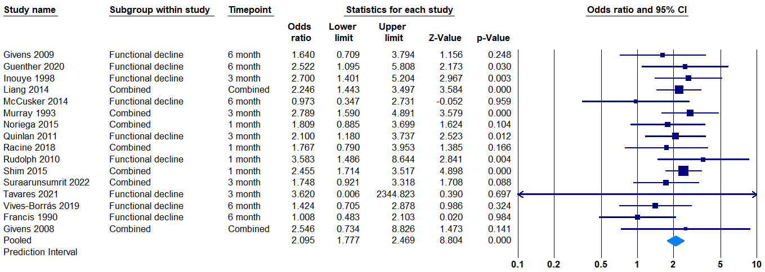

Functional performance, continuous

Time collapsed

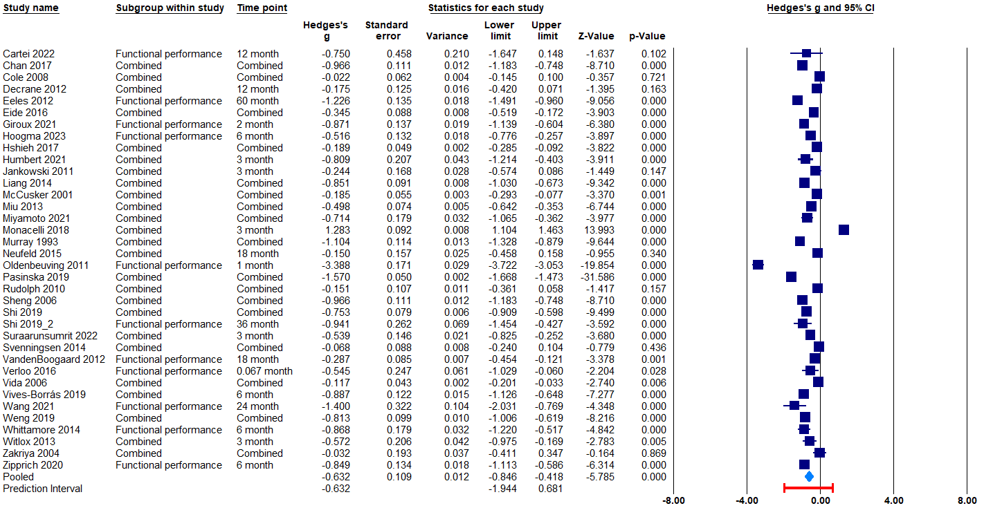

Time specific (<= 6 months)

Quality of life
Study | Study design | Outcome | Sub-group | Time analysis
Hempenius 2016 | Randomized controlled trial | Quality of life | Categorical | <= 6months
Sánchez-Lozano 2023 | Nested case–control | Quality of life | Continuous | <=6 months

Categorical

Time collapsed

Time specific (<=6 months)

Continuous
Time collapsed

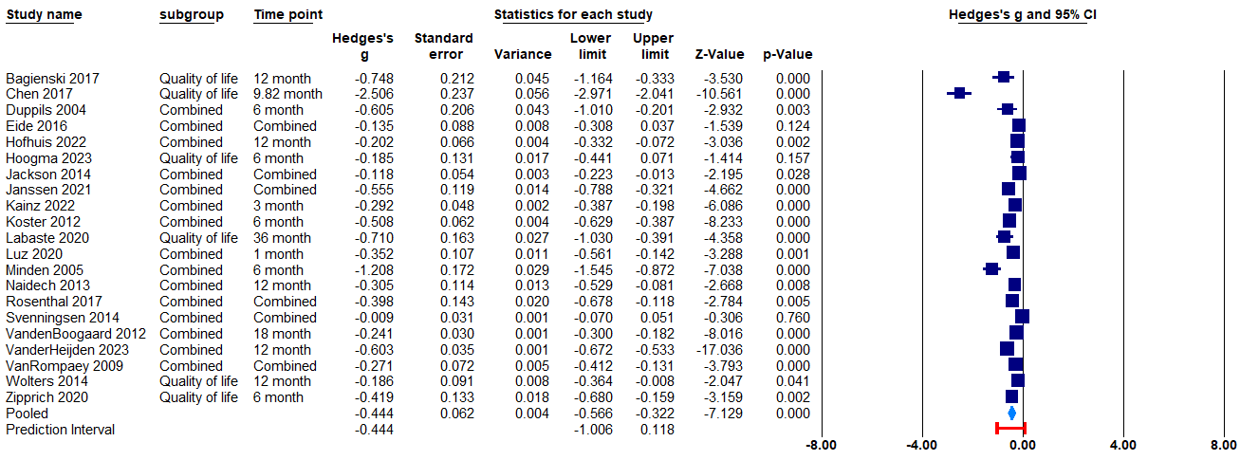

Continuous
Time specific (<=6 months)

Mental health
Study | Study design | Outcome | Sub-group | Time analysis
Brown 2020 | Retrospective cohort | Mental health |  | 6-12 months

Time collapsed

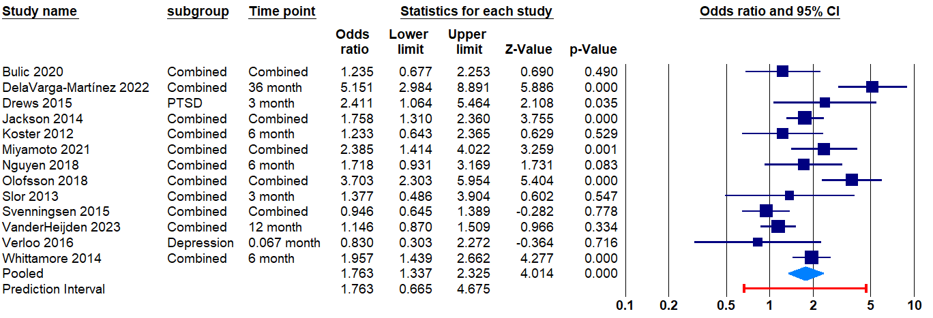

Time specific (6-12 months)

Anxiety/ disorder time collapsed

Depression/diorder time collapsed

PTSD time collapsed

Dementia
Study | Study design | Outcome | Sub-group | Time analysis
Brown 2020 | Retrospective cohort | Dementia |  | 6-12 months
Garcez 2019 | Retrospective cohort | Dementia |  | >12 months
vanRijsbergen 2011 | Nested case–control | Dementia |  | >12 months

Time collapsed
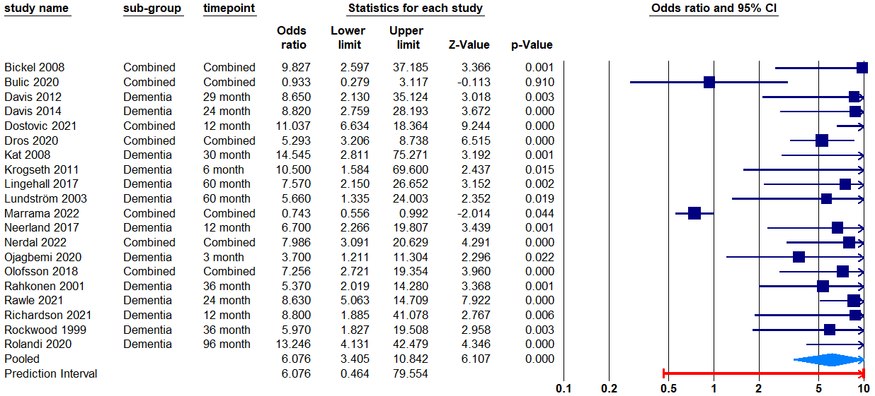

Time specific (6-12 months)

Time specific (>12 months)

Readmission
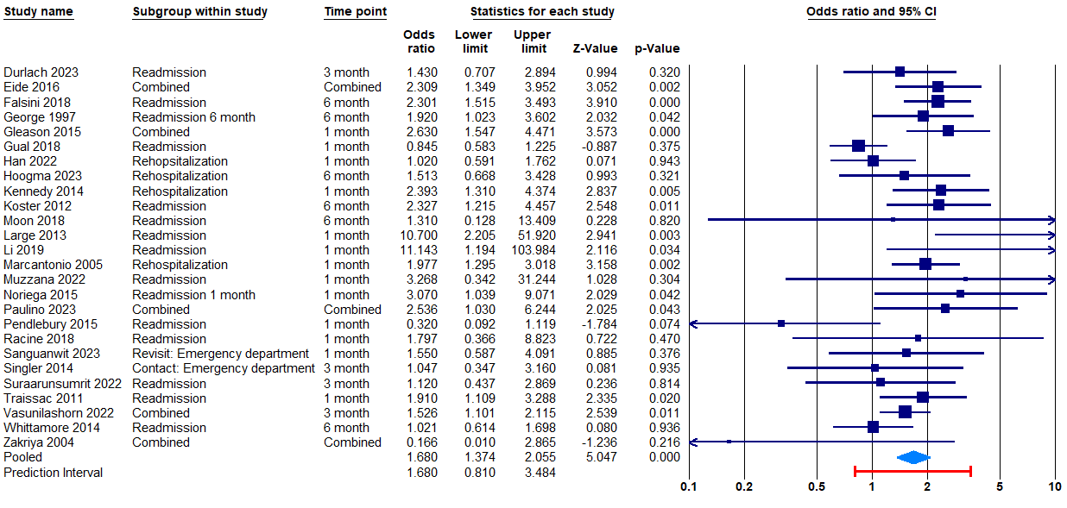
Study | Study design | Outcome | Sub-group | Time analysis
Hempenius 2016 | Randomized controlled trial | Readmission | Cognition: Objective cognition, categorical (change) Functional outcome: functional change, categorical | <= 6months
Penfold 2023 | Retrospective cohort | Readmission |  | <=6 months
Uthamalingam 2011 | Retrospective cohort | Readmission |  | <=6 months

Time collapsed

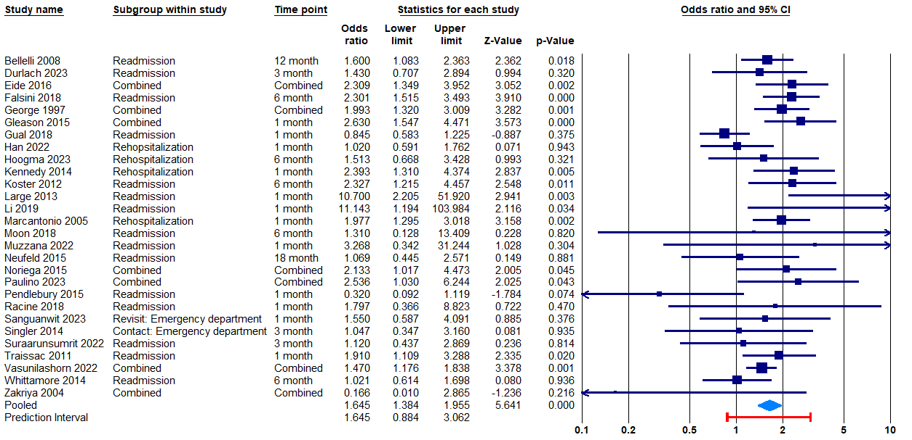

Time specific (<=6 months)

